RRSP
Recycling Fund
Budget Calculation Toolkit
Relocation Rental Support Project (RRSP)
Guide to Application - RRSP
 | Step 1: Please fill in the Rental Period for the Relocation Site (New Site)
 | A
Project Period |  | Months

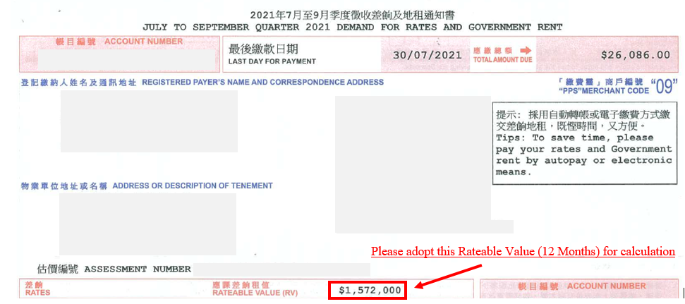
 | Monthly Rental Cost for Relocation Site Per Rental Agreement (HK$) | Total Rental Cost for Whole Project (HK$) | Rateable Value (12 Months) per Rating and Valuation Department (HK$) | Total Rateable Value for Whole Project (HK$) | Funding by Recycling Fund (HK$) | Contribution from Funded Enterprise (HK$) | Remark
 | B | C = A x B | D | E = D / 12 Months x A | F = 50% x Minimum of (C or E) | G = C - F
Step 2: Please fill in the Rental Cost and the Rateable Value (areas in light yellow)
1) Rental
- Rental Amount |  | - |  | - | - | -
Sub-Total |  | - |  | - | - | -
 |  |  |  |  | H

 |  |  |  | Step 3: Please fill in the Funding Amount of the Previously Approved Cases of your Enterprise (Only applicable to ESP, SUP, SP, ORIAS and ORSS Cases)

Summary of Previously Approved Cases (Only applicable to ESP, SUP, SP, ORIAS and ORSS Cases)
Approved Funding Amount (On-Going Projects)
Project A1 |  |  |  |  |  |  | Attention: The Maximum number of Funding Projects under ESP = 10 only (Including this Proposed Project) (Please refer to Guide to Application (ESP) - Section 3.1.6 - for further details)
Project A2 |  |  |  |  |  |  | Attention: The Maximum number of Funding Projects under ESP = 10 only (Including this Proposed Project) (Please refer to Guide to Application (ESP) - Section 3.1.6 - for further details)
Project A3 |  |  |  |  |  |  | Attention: The Maximum number of Funding Projects under ESP = 10 only (Including this Proposed Project) (Please refer to Guide to Application (ESP) - Section 3.1.6 - for further details)
Project A4 |  |  |  |  |  |  | Attention: The Maximum number of Funding Projects under ESP = 10 only (Including this Proposed Project) (Please refer to Guide to Application (ESP) - Section 3.1.6 - for further details)
Project A5 |  |  |  |  |  |  | Attention: The Maximum number of Funding Projects under ESP = 10 only (Including this Proposed Project) (Please refer to Guide to Application (ESP) - Section 3.1.6 - for further details)
Project A6 |  |  |  |  |  |  | Attention: The Maximum number of Funding Projects under ESP = 10 only (Including this Proposed Project) (Please refer to Guide to Application (ESP) - Section 3.1.6 - for further details)
Project A7 |  |  |  |  |  |  | Attention: The Maximum number of Funding Projects under ESP = 10 only (Including this Proposed Project) (Please refer to Guide to Application (ESP) - Section 3.1.6 - for further details)
Project A8 |  |  |  |  |  |  | Attention: The Maximum number of Funding Projects under ESP = 10 only (Including this Proposed Project) (Please refer to Guide to Application (ESP) - Section 3.1.6 - for further details)
Project A9 |  |  |  |  |  |  | Attention: The Maximum number of Funding Projects under ESP = 10 only (Including this Proposed Project) (Please refer to Guide to Application (ESP) - Section 3.1.6 - for further details)
Disbursed Funding Amount (Completed Projects)
Project B1 |  |  |  |  |  |  | Attention: The Maximum number of Funding Projects under ESP = 10 only (Including this Proposed Project) (Please refer to Guide to Application (ESP) - Section 3.1.6 - for further details)
Project B2 |  |  |  |  |  |  | Attention: The Maximum number of Funding Projects under ESP = 10 only (Including this Proposed Project) (Please refer to Guide to Application (ESP) - Section 3.1.6 - for further details)
Project B3 |  |  |  |  |  |  | Attention: The Maximum number of Funding Projects under ESP = 10 only (Including this Proposed Project) (Please refer to Guide to Application (ESP) - Section 3.1.6 - for further details)
Project B4 |  |  |  |  |  |  | Attention: The Maximum number of Funding Projects under ESP = 10 only (Including this Proposed Project) (Please refer to Guide to Application (ESP) - Section 3.1.6 - for further details)
Project B5 |  |  |  |  |  |  | Attention: The Maximum number of Funding Projects under ESP = 10 only (Including this Proposed Project) (Please refer to Guide to Application (ESP) - Section 3.1.6 - for further details)
Project B6 |  |  |  |  |  |  | Attention: The Maximum number of Funding Projects under ESP = 10 only (Including this Proposed Project) (Please refer to Guide to Application (ESP) - Section 3.1.6 - for further details)
Project B7 |  |  |  |  |  |  | Attention: The Maximum number of Funding Projects under ESP = 10 only (Including this Proposed Project) (Please refer to Guide to Application (ESP) - Section 3.1.6 - for further details)
Project B8 |  |  |  |  |  |  | Attention: The Maximum number of Funding Projects under ESP = 10 only (Including this Proposed Project) (Please refer to Guide to Application (ESP) - Section 3.1.6 - for further details)
Project B9 |  |  |  |  |  |  | Attention: The Maximum number of Funding Projects under ESP = 10 only (Including this Proposed Project) (Please refer to Guide to Application (ESP) - Section 3.1.6 - for further details)
 |  |  |  | Sub-Total | - |  | I

 |  |  |  | Maximum Funding by Recycling Fund Amount for this Proposed Project | 15,000,000.00 |  | J = Maximum Cap: HK$15,000,000 - H (The maximum amount of funding is deducted by the amount of previously approved fundings)

Total amount of contribution from funded enterprise (You may regard this as the amount that you could prepare for the project)
 |  |  |  |  | -

 |  |  |  | Total amount of recycling fund amount that can be granted | - |  | K = Minimum of (H or J)
 |  |  |  |  |  |  | (If the estimated funding exceeds the maximum funding that can be granted by Recycling Fund Amount, the maximum amount will be taken as the final total amount)

 |  |  |  |  | Final Step: Please check your Estimated Funding by Recycling Fund for this Project Here

 |  |  |  |  | The calculation in this Toolkit is for reference only.
 |  |  |  |  | The Government, with the advice from Advisory Committee on Recycling Fund (RFAC), shall have sole discretion in deciding the amount of budget / funding to be approved for each case.

